BNE car parking charts
We present all historical dollar figures in real terms (2022-23 Australian Dollars)

Brisbane Airport – selected short term drive up parking prices in real terms – at terminal: 30 June 2009 to 30 June 2023
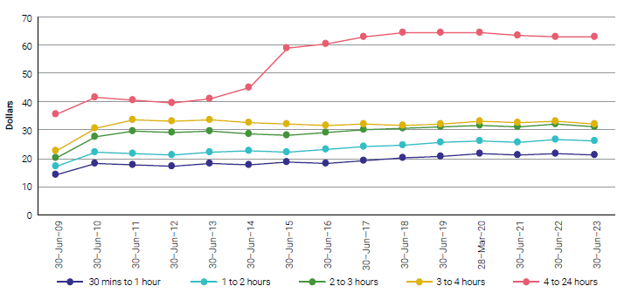

Source: ACCC analysis of information from monitored airports.

Brisbane Airport – selected long term drive up parking prices in real terms – at terminal: 30 June 2017 to 30 June 2023
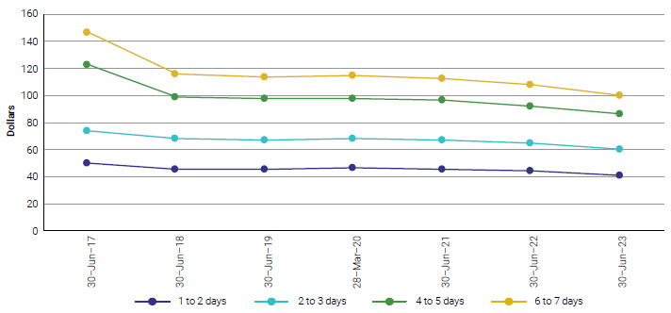

Source: ACCC analysis of information from monitored airports.

MEL car parking charts
We present all historical dollar figures in real terms (2022-23 Australian Dollars)

Melbourne Airport – selected short term drive up parking prices in real terms – at terminal: 30 June 2009 to 30 June 2023
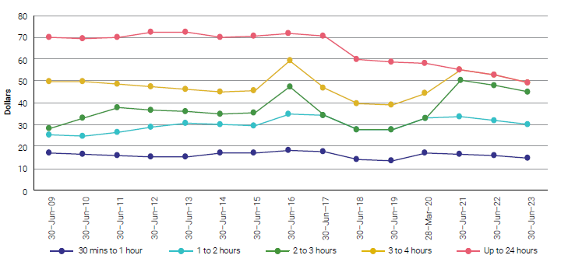

Source: ACCC analysis of information from monitored airports.

Melbourne Airport – selected long term drive up parking prices in real terms – at terminal: 30 June 2009 to 30 June 2023
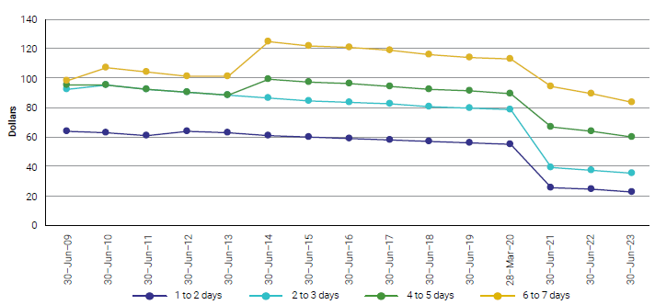

Source: ACCC analysis of information from monitored airports.

PER car parking charts
We present all historical dollar figures in real terms (2022-23 Australian Dollars)

Perth Airport – selected short term drive up parking prices in real terms – at terminal: 30 June 2009 to 30 June 2023
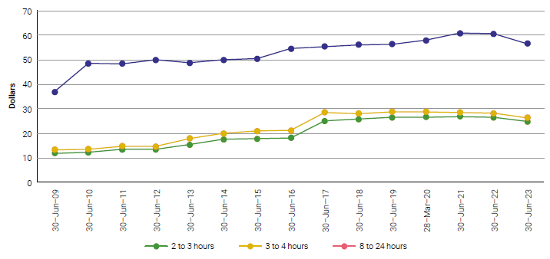

Source: ACCC analysis of information from monitored airports.

Perth Airport – selected long term drive up parking prices in real terms – at terminal: 30 June 2009 to 30 June 2023
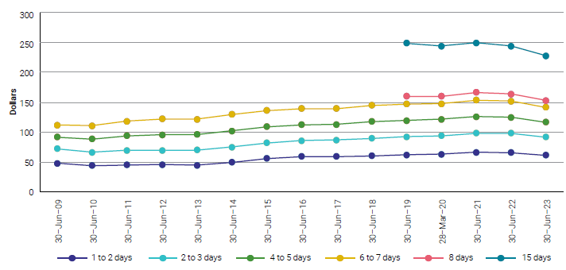

Source: ACCC analysis of information from monitored airports.

SYD car parking charts
We present all historical dollar figures in real terms (2022-23 Australian Dollars)

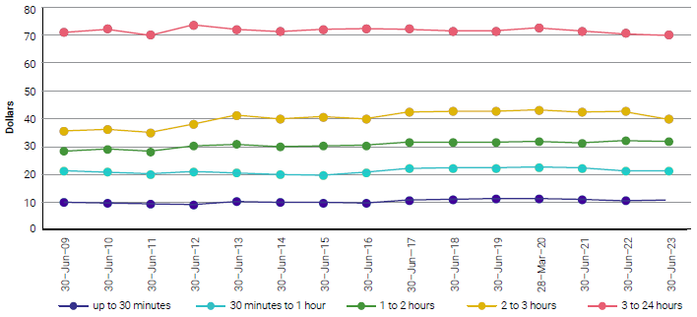
Sydney Airport – selected short term drive up parking prices in real terms – at terminal: 30 June 2009 to 30 June 2023

Source: ACCC analysis of information from monitored airports.

Sydney Airport – selected long term drive up parking prices in real terms – at terminal: 30 June 2009 to 30 June 2023
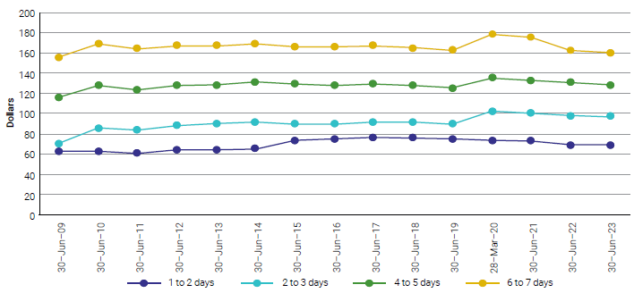

Source: ACCC analysis of information from monitored airports.

